Consistency Checks
PIG E. BANK
Consistency checks

Dataset | Missing values | Missing values treatment | Duplicates | Duplicates Treatment | Inconsistancies | Inconsistancies Treatment
PEB Dataset | 1 missing value in Row 22, Column: Estimated Salary | Left it blank | There were no full rows with complete duplicates. | No treatment needed | Naming conventions in Column: Country | Changed SP to Spain (118 records) Changed DE to Germany (23 records) Changed FR to France (244 records)
 | 1 missing value in Row 211, Column: Last Name | Left it blank |  |  | Naming conventions in Column: Gender | Changed F to Female (19 records) Changed M to Male (49 records)
 | 3 missing values in Rows 205, 215, and 977, Column : Credit Score | Left it blank |  |  | Last Name Column, Rows 10, 330, and 971 | Last Names H? and L? listed, left as is even though this is probably a typo
 | 1 NULL value in Row 12, Column: Gender | Left it as NULL
 | 1 NULL value in Row 23, Column: Age | Left it as NULL
 | 1 NULL value in Row 215, Column Estimated Salary | Left it as NULL

Wrangling
PIG E. BANK
Wrangling steps

Columns dropped | Columns' type changed | Comment/Reason | Columns renamed | Comment/Reason
None | None | N/A | Row_Number >> Row Number | Removed underscore and question marks and added spaces and capital letters. This was done to make the column headers more consistent
 |  |  | Customer_ID >>Customer ID
 |  |  | Last_Name >> Last Name
 |  |  | NumOfProducts >>Number of Products
 |  |  | HasCrCard? >>Has Credit Card
 |  |  | IsActiveMember >> Is Active Member
 |  |  | ExitedFromBank? >> Exited From Bank

Pivot Table Stats (PEB Left)
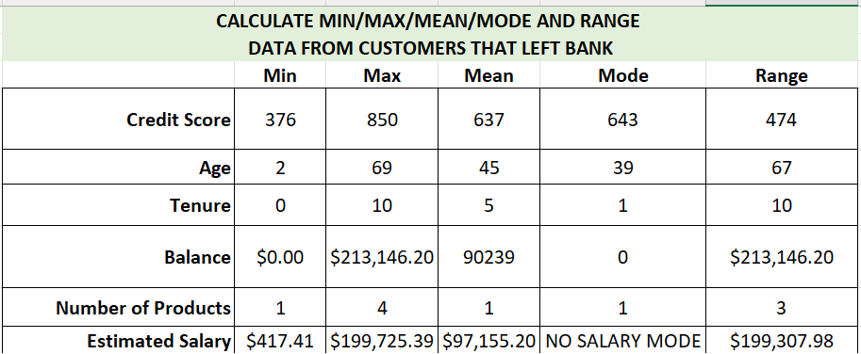

Observations of the top variables that contribute to customers leaving the bank are: |  |  | INTERPRETATION
Variable | Attribute | Attrition Rate (Highest %) | This means that customers that leave the bank will tend to be females in France, with a credit card and not an active member. They tend to be in their 40's, with a Fair credit rating and a low balance of less than $99,000. They also tend to leave the bank after either 1 month or 1 year (tenure was not specified).
Country | France | 38%
Gender | Female | 59%
Has Credit Card | Yes | 71%
Is Active Member | No | 70%
Age | 40-49 | 42% | The highlighted yellow attrition rates (%) are the highest
Credit Score | Fair 580-669 | 32%
Balance | Low <$99K | 40%
Tenure | 1 (year or month) | 15%

COUNTRY |  |  | GENDER
Count of Customer ID | Column Labels |  | Count of Customer ID | Column Labels
Row Labels | YES | Grand Total | Row Labels | 1 | Grand Total
France | 37.75% | 37.75% | Female | 59.31% | 59.31%
Germany | 36.76% | 36.76% | Male | 40.69% | 40.69%
Spain | 12.25% | 12.25% | Grand Total | 100.00% | 100.00%
Spain | 13.24% | 13.24%
Grand Total | 100.00% | 100.00%

HAS CREDIT CARD |  |  | IS ACTIVE MEMBER
Count of Customer ID | Column Labels |  | Count of Customer ID | Column Labels
Row Labels | YES | Grand Total | Row Labels | YES | Grand Total
NO | 29.41% | 29.41% | NO | 70.10% | 70.10%
YES | 70.59% | 70.59% | YES | 29.90% | 29.90%
Grand Total | 100.00% | 100.00% | Grand Total | 100.00% | 100.00%

AGE |  |  | CREDIT SCORE
Count of Customer ID | Column Labels |  | Count of Customer ID | Column Labels
Row Labels | YES | Grand Total | Row Labels | YES | Grand Total
AGE <29 | 5.39% | 5.39% | POOR <579 | 28.92% | 28.92%
AGE 30-39 | 23.53% | 23.53% | FAIR 580-669 | 31.86% | 31.86%
AGE 40-49 | 41.67% | 41.67% | GOOD 670-739 | 22.55% | 22.55%
AGE 50-59 | 18.63% | 18.63% | VERY GOOD 740-799 | 11.27% | 11.27%
AGE 60-69 | 10.29% | 10.29% | EXCEPTIONAL 800-850 | 4.90% | 4.90%
NULL | 0.49% | 0.49% | (blank) | 0.49% | 0.49%
Grand Total | 100.00% | 100.00% | Grand Total | 100.00% | 100.00%

BALANCE |  |  | TENURE
Count of Customer ID | Column Labels |  | Count of Customer ID | Column Labels
Row Labels | YES | Grand Total | Row Labels | YES | Grand Total
< LOW $99K | 39.71% | 39.71% | 0 | 2.94% | 2.94%
MEDIUM $100K-$129K | 32.35% | 32.35% | 1 | 14.71% | 14.71%
MED-HIGH $130K-$159K | 19.61% | 19.61% | 2 | 13.24% | 13.24%
HIGH $160K-$199K | 6.86% | 6.86% | 3 | 9.80% | 9.80%
VERY HIGH $200K+ | 1.47% | 1.47% | 4 | 8.33% | 8.33%
Grand Total | 100.00% | 100.00% | 5 | 9.80% | 9.80%
 |  |  | 6 | 10.29% | 10.29%
 |  |  | 7 | 7.35% | 7.35%
 |  |  | 8 | 9.80% | 9.80%
 |  |  | 9 | 10.29% | 10.29%
 |  |  | 10 | 3.43% | 3.43%
 |  |  | Grand Total | 100.00% | 100.00%

PEB Left Correlations
 |  |  |  |  |  |  |  | VISUAL CORRELATIONS FOR CUSTOMERS THAT LEFT THE BANK VS THOSE THAT STAYED (BASED ON THE HIGHEST ATTRITION RATES)

COUNTRY |  |  |  | AGE |  |  |  |  | GENDER |  | AGE
Count of Customer ID | Exited from Bank |  |  | Count of Customer ID | Column Labels
Row Labels | NO | YES | Grand Total | Row Labels | NO | YES | Grand Total
France | 46.16% | 8.82% | 54.98% | NULL | 0.00% | 0.10% | 0.10%
Germany | 20.85% | 8.59% | 29.44% | AGE <19 | 1.31% | 0.10% | 1.41%
Spain | 12.71% | 2.86% | 15.58% | AGE 20-29 | 13.72% | 1.01% | 14.73%
Grand Total | 79.73% | 20.27% | 100.00% | AGE 30-39 | 38.95% | 4.84% | 43.79%
 |  |  |  | AGE 40-49 | 17.86% | 8.58% | 26.44%
 |  |  |  | AGE 50-59 | 4.44% | 3.83% | 8.27%
GENDER |  |  |  | AGE 60-69 | 2.02% | 2.12% | 4.14%
Count of Customer ID | Exited from Bank |  |  | AGE 70-79 | 0.91% | 0.00% | 0.91%
Row Labels | NO | YES | Grand Total | AGE 80-82 | 0.20% | 0.00% | 0.20%
Female | 34.44% | 12.22% | 46.67% | Grand Total | 79.41% | 20.59% | 100.00%
Male | 44.95% | 8.38% | 53.33%
Grand Total | 79.39% | 20.61% | 100.00%
 |  |  |  | CREDIT SCORE |  |  |  |  | HAS CREDIT CARD |  |  | IS ACTIVE MEMBER - LEFT BANK ONLY
 |  |  |  | Sum of Customer ID | Column Labels
HAS CREDIT CARD |  |  |  | Row Labels | NO | YES | Grand Total
Count of Customer ID | Column Labels |  |  | (blank) | 0.20% | 0.10% | 0.30%
Row Labels | no | yes | Grand Total | POOR | 18.97% | 5.95% | 24.92%
0 - DOES NOT HAVE CC | 23.31% | 6.05% | 29.36% | FAIR | 24.72% | 6.57% | 31.29%
1 -DOES HAVE CC | 56.10% | 14.53% | 70.64% | GOOD | 20.09% | 4.64% | 24.73%
Grand Total | 79.41% | 20.59% | 100.00% | VERY GOOD | 10.60% | 2.32% | 12.91%
 |  |  |  | EXCEPTIONAL | 4.84% | 1.01% | 5.85%
IS ACTIVE MEMBER - LEFT AND STAYED AT BANK |  |  |  | Grand Total | 79.42% | 20.58% | 100.00%
Count of Customer ID | Column Labels
Row Labels | NO | YES | Grand Total | BALANCE
0 -NOT ACTIVE MEMBER | 34.81% | 14.43% | 49.24% | Count of Customer ID | Column Labels
1 - IS ACTIVE MEMBER | 44.60% | 6.16% | 50.76% | Row Labels | NO | YES | Grand Total
Grand Total | 79.41% | 20.59% | 100.00% | <$99K | 42.68% | 8.17% | 50.86%
 |  |  |  | $100k-$129K | 18.67% | 6.66% | 25.33% |  |  | COUNTRY
IS ACTIVE MEMBER - LEFT BANK ONLY |  |  |  | $130K-$159K | 12.82% | 4.04% | 16.85%
Count of Customer ID | Column Labels |  |  | $160K-$199K | 5.25% | 1.41% | 6.66%
Row Labels | YES | Grand Total |  | $200K-$215k | 0.00% | 0.30% | 0.30%
NO | 70.10% | 70.10% |  | Grand Total | 79.41% | 20.59% | 100.00%
YES | 29.90% | 29.90%
Grand Total | 100.00% | 100.00%

TENURE
Count of Customer ID | Column Labels
Row Labels | NO | YES | Grand Total
0 | 3.23% | 0.61% | 3.83%
1 | 7.37% | 3.03% | 10.39%
2 | 8.38% | 2.72% | 11.10%
3 | 8.17% | 2.02% | 10.19%
4 | 6.96% | 1.72% | 8.68%
5 | 8.07% | 2.02% | 10.09%
6 | 7.37% | 2.12% | 9.49%
7 | 7.87% | 1.51% | 9.38%
8 | 8.88% | 2.02% | 10.90%
9 | 8.78% | 2.12% | 10.90%
10 | 4.34% | 0.71% | 5.05%
Grand Total | 79.41% | 20.59% | 100.00%

Pivot Table Stats (Stayed)
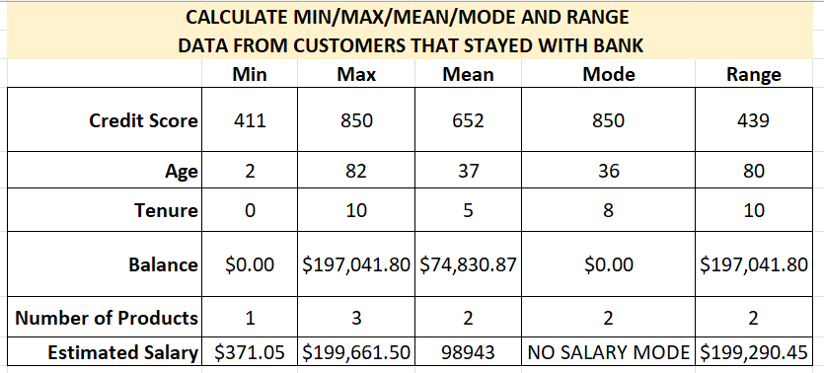

Decision Tree
